Requirements
Requirement | FE Image | Description | Comments
1. FE Requirement | 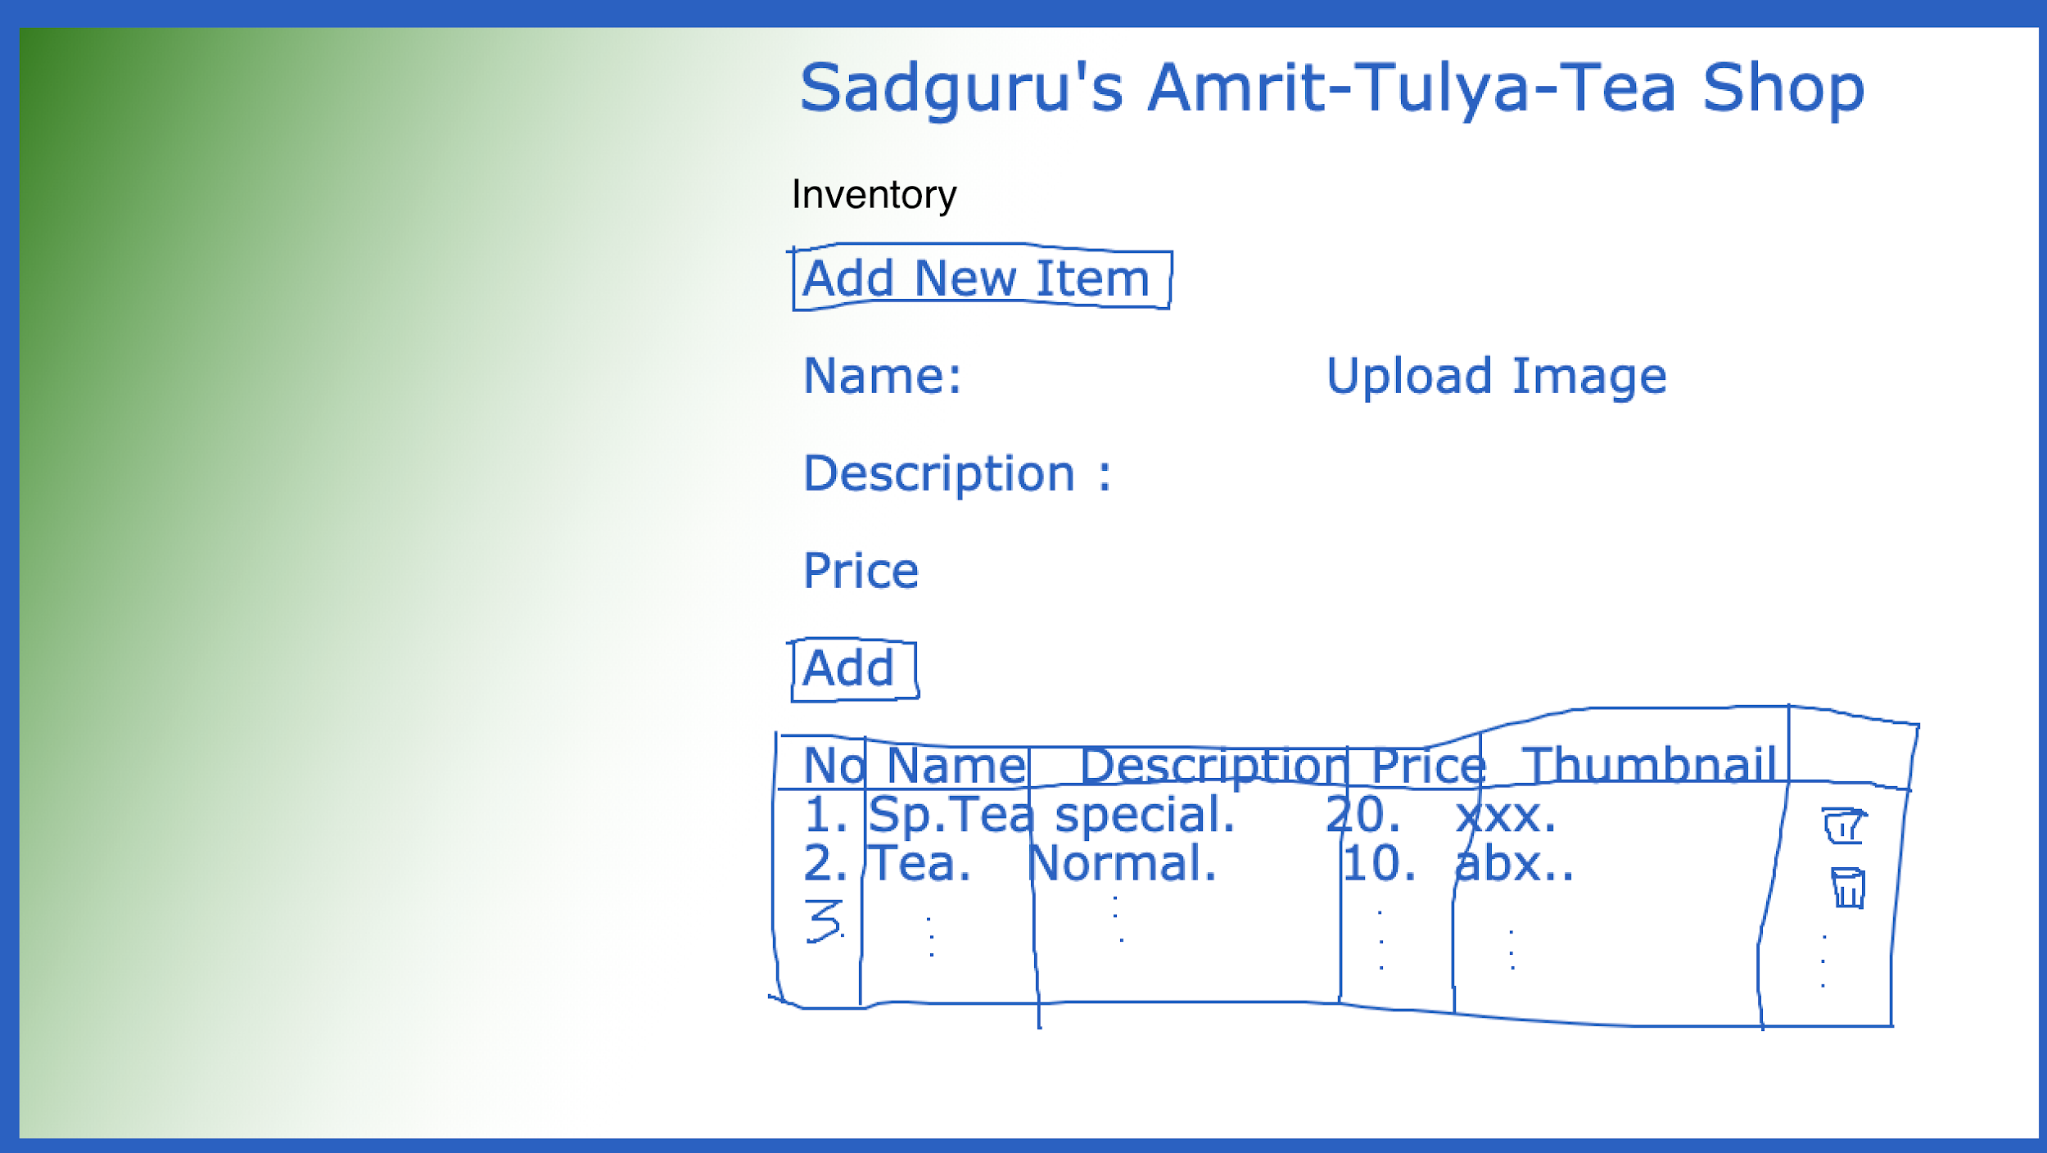 | Refer requirement doc
2. DB requirement | Create database ( db Name - SadguruTeaShop) create table with all appropriate constraints (Table Name- AddInventory) | Refer requirement doc
3. API | develop REST API to create / delete / update inventory details | Refer requirement doc

 | Queries to Product Manager from QA Team
1 | Whenever new item get added into inventory list then would be at last position of the list or first position in inventory display list?
2 | What are the different role need to set for this app (e.g Admin/Owner of shop, Operator/Manager of shop.etc)
3 | Describe performance and security perspective of app.
4 | What if, user added duplicate item into the inventory?
5 | Where user can Edit the Item. Is it on view specific Item page?

